Seminar Questions (Guide)
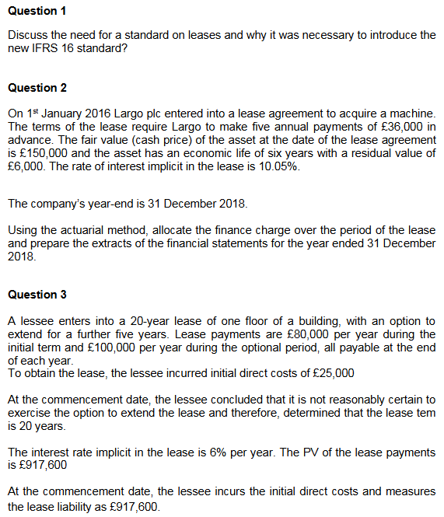

 |  |  |  | Question 2 |  |  |  |  |  | Question 4 |  |  |  |  |  |  | Question 5

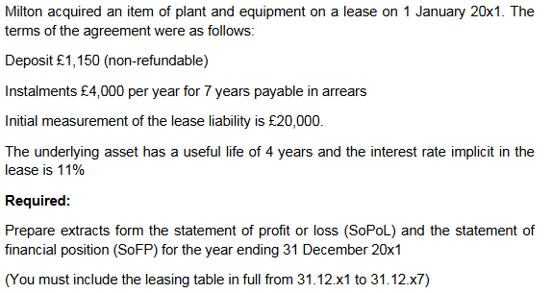
 |  |  |  | Step 1: Calculate the Lease Liability

 |  |  |  | Given:
 |  |  |  | - Annual Payments: £36,000 paid in advance
 |  |  |  | - Implicit Interest Rate: 10.05%
 |  |  |  | - Fair Value of Asset: £150,000

 |  |  |  | First, we need to verify if the payments cover the fair value of
 |  |  |  | the asset using the implicit interest rate.

$$\text{PV}\text{=}\text{PMT}\text{×(1−(1+}\text{r}\text{)−}\text{n}\text{)/}\text{r}\text{×(1+}\text{r}\text{)}$$
 |  |  |  | The present value of an annuity due can be calculated by: |  |  |  |  |  |  |  |  |  |  |  |  | a. Effect on SoPoL and SoFP for Year Ending 31 March 2019:
 |  |  |  |  |  |  |  |  |  |  |  |  |  |  |  |  | Statement of Profit or Loss (SoPoL) - Year ending 31 March 2019:

 |  |  |  | Where: |  |  |  |  |  |  |  |  |  |  |  |  | Depreciation Expense:
 |  |  |  | - PMT = £36,000
 |  |  |  | - r = 10.05% or 0.1005 |  |  |  |  |  |  |  |  |  |  |  |  | The right-of-use asset is depreciated over the 5-year lease term on a straight-line basis:
 |  |  |  | - n = 5 (since payments are made in advance) |  |  |  |  |  | Statement of Profit or Loss (SoPol) Extract for Year Ending 31 December 20X1:
 |  |  |  |  |  |  |  |  |  |  |  |  |  |  |  |  | Depreciation = (Cash purchase price - Initial payment) / Lease term
$$\text{PV}\text{=36,000×(1−(1+0.1005)−5)/0.1005×(1+0.1005)≈150,000}$$
 |  |  |  |  |  |  |  |  |  | Expenses: |  |  |  |  |  |  | Depreciation = (£80m - £20m) / 5 years = £12m per year
 |  |  |  |  |  |  |  |  |  | - Depreciation of R-o-U Asset: £5,287.50
 |  |  |  |  |  |  |  |  |  | - Interest Expense on Lease Liability: £2,200.00 |  |  |  |  |  |  | Interest Expense:
 |  |  |  | Step 2: Allocate the Finance Change |  |  |  |  |  |  |  |  |  |  |  |  | For the period from 1 April 2018 to 31 March 2019 (12 months), the interest is calculated on the lease liability after the initial payment:

 |  |  |  | The finance charge allocation involves calculating interest |  |  |  |  |  | Statement of Financial Position (SoFP) Extract as at 31 December 20X1: |  |  |  |  |  |  | Initial lease liability after first payment = £80m - £20m = £60m
 |  |  |  | and principal payments each period: |  |  |  |  |  |  |  |  |  |  |  |  | Interest Expense = £60m * 12% = £7.2m
 |  |  |  |  |  |  |  |  |  | Assets:
 |  |  |  | Year | Opening | Interest | Payment | Principal | Closing | - Right-of-Use Asset: £15,862.50 [Initial £21,150 - Depreciation for 1 Year £5,287.50]
 |  |  |  |  | Balance | @ 10.05% |  | Reduction | Balance |  |  |  |  |  |  |  | Statement of Financial Position (SoFP) - As at 31 March 2019:
 |  |  |  | 1 | £150,000 | £15,075.00 | £36,000 | £20,925.00 | £129,075.00 | Liabilities:
 |  |  |  | 2 | £129,075 | £12,972.04 | £36,000 | £23,027.96 | £106,047.04 | - Lease Liability: £18,200.00 [Initial £20,000 - Principal repaid in 20X1 £1,800] |  |  |  |  |  |  | Assets: |  |  |  |  | Liabilities:
 |  |  |  | 3 | £106,031.49 | £10,656.16 | £36,000 | £25,343.84 | £80,687.65 |  |  |  |  |  |  |  | Right-of-Use Asset: |  |  |  |  | Lease Liability:
 |  |  |  |  |  |  |  |  |  |  |  |  |  |  |  |  | Initial measurement = £80m (cash purchase price) |  |  |  |  | After the first payment, the liability was £60m. At the end of the year:
 |  |  |  |  |  |  |  |  |  | Lease Amortisation Schedule in Full: |  |  |  |  |  |  | Less: Accumulated Depreciation = £12m |  |  |  |  | Add interest accrued: £60m * 12% = £7.2m
 |  |  |  |  |  |  |  |  |  |  |  |  |  |  |  |  | Carrying Amount = £80m - £12m = £68m |  |  |  |  | Total liability before next payment = £60m + £7.2m = £67.2m
Question 3 |  |  |  | Extracts for Financial Statements: |  |  |  |  |  |  |  |  |  |  |  |  |  |  |  |  |  | The next payment of £20m is due on 1 April 2019, but for year-end reporting, it hasn't been made yet, so:
 |  |  |  |  |  |  |  |  |  | Date | Opening Balance | Interest Expense (11%) | Lease Payment | Principal Repayment | Closing Balance |  |  |  |  |  |  | Closing Lease Liability = £67.2m
Step 1: Determine Initial Amounts at Commencement Date: |  |  |  | Statement of Profit or Loss: |  |  |  |  |  | 01 Jan 20x1 | £20,000.00 | £0.00 | £0.00 | £0.00 | £20,000.00
- Lease Liability: The present value of lease payments, given as £917,600 |  |  |  | - Depreciation (Straight-line): 150,000-6,000 / 6 = 24,000 |  |  |  |  |  | 31 Dec 20x1 | £20,000.00 | £2,200.00 | £4,000.00 | £1,800.00 | £18,200.00 |  | Year Ending | Opening Balance | Interest (12%) | Payment | Closing Balance
- Right-of-Use (RoU) Asset: |  |  |  | - Finance Cost: £10,656 |  |  |  |  |  | 31 Dec 20x2 | £18,200.00 | £2,002.00 | £4,000.00 | £1,998.00 | £16,202.00 |  | 31-Mar-19 | £60,000,000 | £7,200,000 | £20,000,000 | £67,200,000
- Equals lease liability + initial direct costs: |  |  |  |  |  |  |  |  |  | 31 Dec 20x3 | £16,202.00 | £1,782.22 | £4,000.00 | £2,217.78 | £13,984.22 |  | 31-Mar-20 | £67,200,000 | £8,064,000 | £20,000,000 | £55,264,000
 | - £917,600 (Lease liability) + £25,000 (Initial Direct Costs) = |  |  | Statement of Financial Position: |  |  |  |  |  | 31 Dec 20x4 | £13,984.22 | £1,538.26 | £4,000.00 | £2,461.74 | £11,522.48 |  | 31-Mar-21 | £55,264,000 | £6,631,680 | £20,000,000 | £41,895,680
 | £942,600 |  |  | - Net Depreciation: 150,000 - (3*24,000) =78,000 |  |  |  |  |  | 31 Dec 20x5 | £11,522.48 | £1,267.47 | £4,000.00 | £2,732.53 | £8,789.95 |  | 31-Mar-22 | £41,895,680 | £5,027,482 | £20,000,000 | £26,923,162
 |  |  |  | - Lease liability (closing balance): £80,687 |  |  |  |  |  | 31 Dec 20x6 | £8,789.95 | £966.89 | £4,000.00 | £3,033.11 | £5,756.84 |  | 31-Mar-23 | £26,923,162 | £3,230,779 | £20,000,000 | £10,153,941
Journal Entries at Commencement Date: |  |  |  |  |  |  |  |  |  | 31 Dec 20x7 | £5,756.84 | £633.25 | £4,000.00 | £3,366.75 | £2,390.09

Debit: | Right-of-Use Asset | £942,600
Credit: | Lease Liability | £917,600
Credit: | Cash/Bank | £25,000
 |  |  |  | Question 6 |  |  |  |  |  | Part A) |  |  |  |  |  | Part B) | FIX THIS LATER
Step 2: Calculate and Adjust Journal Entries at End of Year 1 |  |  |  |  |  |  |  |  |  | IFRS 16 Leases: Under this standard, most leases are recognized on the
 |  |  |  |  |  |  |  |  |  | balance sheet, replacing the old distinction between operating and finance
Debit: | Finance Costs | £55,056 | Interest Calculation using Acutarial Method: |  |  |  |  |  |  | leases with a single model for lessee accounting.
Credit: | Lease Liability | £55,056 | £917,600 * 6% = £55,056
 |  |  |  |  |  |  |  |  |  | Correctness of the Accountant's View:
Step 3: Record Lease Payments
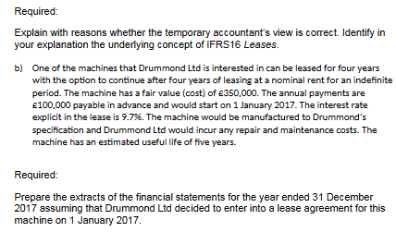
Debit: | Lease Liability | £80,000 | Lease Payment due within one year |  |  |  |  |  |  | Incorrect: The accountant's view that leasing leads to off-balance sheet
Credit: | Cash/Bank | £80,000 |  |  |  |  |  |  |  | financing is outdated post-IFRS 16. Leases are now capitalized, meaning:

 |  |  |  |  |  |  |  |  |  | A right-of-use asset is recognized, representing the lessee's control over the use of the asset.
 |  |  |  |  |  |  |  |  |  | A lease liability is recognized for the obligation to make lease payments.

 |  |  |  |  |  |  |  |  |  | Impact on Financial Statements:

 |  |  |  |  |  |  |  |  |  | Balance Sheet: Leases increase both assets and liabilities, affecting debt ratios
 |  |  |  |  |  |  |  |  |  | and potentially reducing apparent financial flexibility.

 |  |  |  |  |  |  |  |  |  | Income Statement: Instead of a straight lease expense, there's now depreciation
 |  |  |  |  |  |  |  |  |  | of the right-of-use asset and interest on the lease liability, altering profit figures.

 |  |  |  |  |  |  |  |  |  | Cash Flow: Lease payments are split into principal (financing cash flow) and
 |  |  |  |  |  |  |  |  |  | interest (operating or financing cash flow, depending on company policy).

 |  |  |  |  |  |  |  |  |  | Underlying Concept of IFRS 16:
 |  |  |  |  |  |  |  |  |  | Faithful Representation: The standard emphasizes that financial statements
 |  |  |  |  |  |  |  |  |  | should reflect the economic reality of leases, ensuring that users of the financial
 |  |  |  |  |  |  |  |  |  | statements get a true picture of the company's obligations and resources.

Week 7 - Leases
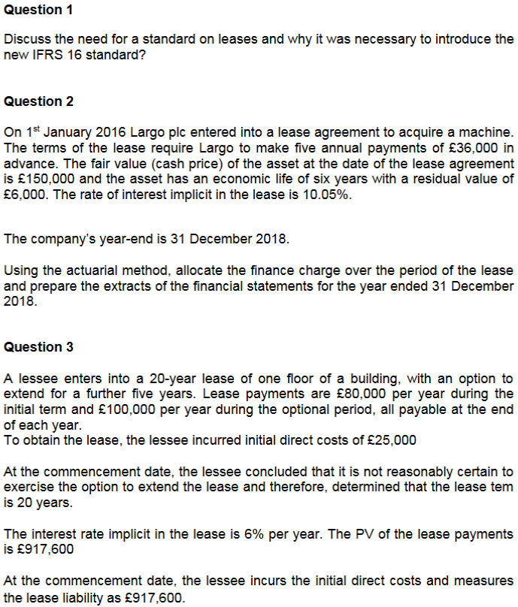
 | Question 1:
 | A lease is an agreement whereby the lessor (seller)
 | conveys to the lessee (user of the asset), the right to
 | use the aset for an agreed period of time in return for
 | a payment or series of payments.

 | Standards on leases were made for a couple of reasons:
 | 1. Inconsistency in the treatment and reporting of
 | leases.

 | 2. Misleads investors by manipulating financial ratios
 | (e.g., ROCE, and Debt-to-Equity ratio)

 | 3. Lack of transparency in reporting leases, businesses
 | only reported finance leases, and not operating leases,
 | which therefore made it difficult for investors.

 | Question 2:

 | Lease payments: £36,000 annually in advance.
 | Fair value of asset: £150,000.
 | Interest rate: 10.05%.
 | Asset life: 6 years, residual value: £6,000.
 | Year-end: 31 December 2018.

 | Year | Opening Liability (£) | Payment (£) | Interest (£) | Closing Liability (£)
 | 2016 | 150,000 | 36,000 | 15,057 | 129,057
 | 2017 | 129,057 | 36,000 | 12,974 | 106,031
 | 2018 | 106,031 | 36,000 | 10,656 | 80,687

 | Statement of Profit or Loss:
 | - Depreciation (Straight-line): 150,000-6,000 / 6 = 24,000
Question 5: | - Finance Cost: £10,656

Lease payment: £20M annually (paid in advance). | Statement of Financial Position:
Purchase price: £80M. | - Net Depreciation: 150,000 - (3*24,000) =78,000
Interest rate: 12%. | - Lease liability (closing balance): £80,687

Year 1 Calculations: | Question 3:

1. Depreciation (straight-line over 5 years): | Lease liability: £917,600.
 | Annual payment: £80,000.
80,000,0005=£16,000,000 | Direct costs: £25,000.
 | Interest rate: 6%.
2. Finance cost:
 | Journal Entries at Commencement (Year 1):
Lease liability post-payment: 80M−20M=60M
Interest: 60M×12%=£7,200,000 | 1. Recognise the right-of-use asset:

Extracts for 31 Mar 2019: SoFP: | Dr Right-of-use asset £942,600
 | Cr Lease liability £917,600
Right-of-use asset: 80M−16M=£64M. | Cr Cash (direct costs) £25,000
Lease liability: Adjusted for interest.
 | 2. First-year payment:
SoPoL:
 | Dr Lease liability £80,000
Depreciation: £16M. | Cr Cash £80,000
Finance cost: £7.2M.
 | 3. Finance charge allocation (Year 1):
Question 6:
 | Interest: 917,600×6%=£55,056
The temporary accountant is incorrect because IFRS 16 eliminates most off-balance
sheet leasing. The substance over form principle requires the economic reality | Dr Finance costs £55,056
of leases to be reflected. Under IFRS 16: | Cr Lease liability £55,056

Right-of-use assets and lease liabilities must be recognised. | Extracts for 31 Dec Year 1:
Financial obligations are transparent, regardless of lease structure.
 | SoFP:
For the machine lease:
 | Right-of-use asset: 942,600−Depreciation942,600 - \text{Depreciation}942,600−Depreciation.
Recognise a right-of-use asset and lease liability. | Lease liability: Adjusted with payments and interest.
Depreciate the asset over 5 years and allocate interest charges on the lease liability.
 | SoPoL:

 | Depreciation: Straight-line over 20 years: 942,600/20=£47,130
 | Finance costs: £55,056.

